Stock
Image | GG prod code | O'Keeffe's | Content | EAN (GTIN) | EAN (GTIN) Sales quantity | Produkt Shape | Units Per Case | Units Avavilable | DE RRP | Price
 | 7049000 | O'KEEFFE'S WORKING HANDS 96G TIEGEL - DE | 96g | 5704947002787 | 5704947003357 | Jar | 6 | 126,000 | € 10.99 | 1.525
 | 7149000 | O'KEEFFE'S WORKING HANDS 80ML TUBE - DE | 80ml | 5704947005368 | 5704947005375 | Tube | 5 | 105,000 | € 10.99 | 1.525
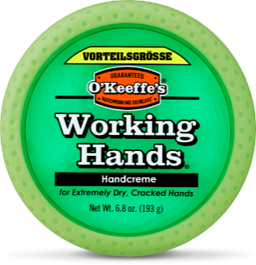 | 101250 | O'KEEFFE'S WORKING HANDS 193 G Value Jar | 193g | 5704947007225 | 5704947007232 | Jar | 6 | 36,731 | € 15.99 | 2.050
 |  | HEALTHY FEET
 |  | O'KEEFFE'S HEALTHY FEET EXFOLIATING |  |  |  | Tube | 5 | 18,775 | € 11.99 | 1.750
 | 8149000 | O'KEEFFE'S HEALTHY FEET 80ML TUBE - DE | 80ml | 5704947005382 | 5704947005399 | Tube | 5 | 122,000 | € 10.99 | 1.525
 |  | LIP REPAIR
 | 7549300 | O'KEEFFE'S LIP REPAIR LSF 15% 4.2G - DE LIPPENSTIFT | 4.2g | 5704947006648 | 5704947006822 | Lipstick | 6 | 12,000 | € 4.99 | 0.950
 |  |  |  |  |  |  |  | 420,506

